Sheet1
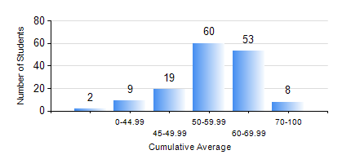
 |  |  | KWAME NKRUMAH UNIVERSITY OF SCIENCE AND TECHNOLOGY, KUMASI Department of Materials Engineering

 |  |  | BSC. METALLURGICAL ENG.

 |  |  | COMPREHENSIVE RECORD OF EXAMINATION RESULTS

 |  |  | RESULTS OF YEAR 3 SECOND SEMESTER, 2022/2023 ACADEMIC YEAR

 | Sn | Course Code |  | Course Name | Credit Hours | Min. Mark | Max. Mark | Avg. Mark | Std. Dev. | No. Passed | No. Trailed | No. (Df) | No. (I) | No. (I*) | No. Tagged(I,I*,Df) | Total
 | 0. |  |  |  |  |  |  | 0 | 0 | 0 | 0 | 0 | 0 | 0 | 0 | 9
 | 1. | METE 352 |  | HYDROMETALLURGICAL APPLICATIONS | 3 | 27 | 89 | 64 | 11.54 | 139 | 3 | 0 | 0 | 0 | 0 | 142
 | 2. | METE 354 |  | PHYSICAL METALLURGY OF NON-FERROUS METALS | 2 | 40 | 84 | 60 | 9.2 | 140 | 0 | 0 | 2 | 0 | 2 | 142
 | 3. | METE 356 |  | THIRD YEAR DESIGN PROJECT | 3 | 43 | 80 | 66 | 7.78 | 142 | 0 | 0 | 0 | 0 | 0 | 142
 | 4. | METE 358 |  | METALLURGICAL CHARACTERIZATION LABORATORY | 2 | 40 | 78 | 64 | 7.28 | 142 | 0 | 0 | 0 | 0 | 0 | 142
 | 5. | METE 362 |  | PHYSICAL METALLURGY OF FERROUS METALS | 2 | 32 | 88 | 56 | 12.32 | 140 | 2 | 0 | 0 | 0 | 0 | 142
 | 6. | MSE 358 |  | NUMERICAL METHODS FOR ENGINEERS | 2 | 13 | 98 | 51 | 17.59 | 119 | 19 | 4 | 0 | 0 | 4 | 142
 | 7. | MSE 362 |  | MATERIALS JOINING PROCESSES | 3 | 31 | 88 | 55 | 10.52 | 137 | 5 | 0 | 0 | 0 | 0 | 142

